Sheet1
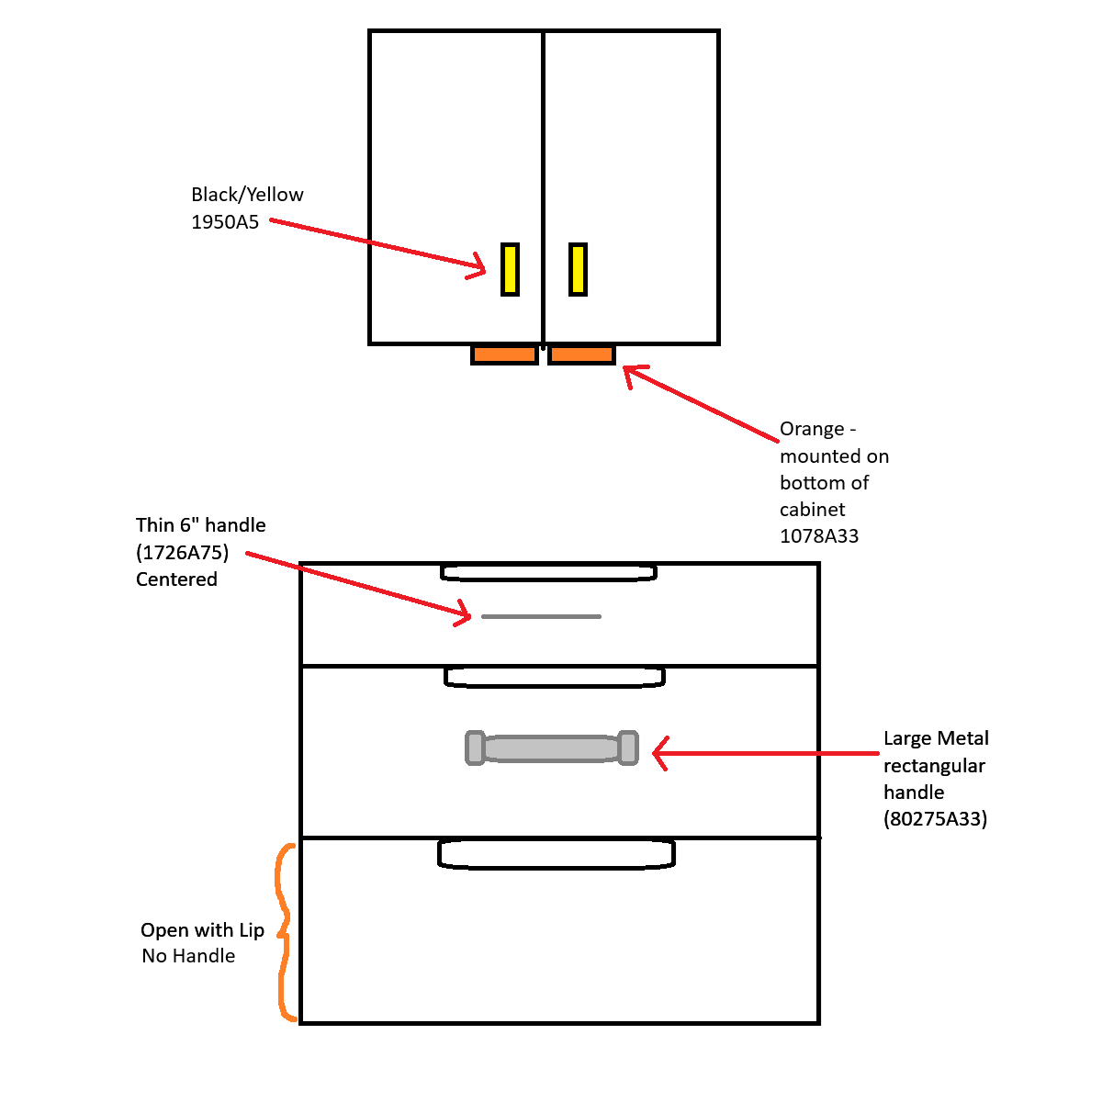
Part # | Color | Shape | Image | Testbed Location(s) | Purchase Link | File | Notes
80275A33 | Chrome | Large, Rounded Rectangle, unthreaded holes |  | Lower cabinet doors, Drawer set - Middle drawer | Unthreaded-Hole Rectangular Pull Handle, Chrome-Plated Zinc, 7" Center-to-Center Width | McMaster-Carr | Metal - 80275A33_Unthreaded-Hole Rectangular Pull Handle-LowerCabinet-MiddleDrawer.stl | Already installed
1950A5 | Black, Yellow Accents | Rectangular, Plastic, with textured face and inner grip |  | Upper Cabbinet Doors - Front Faces | Unthreaded Through-Hole-Mount Pull Handle, 4-3/4" Center-to-Center Width | McMaster-Carr | YellowBlackGrip-1950A4_Unthreaded Through-Hole-Mount Pull Handle-UpperCabinet-Front.stl | Already installed - Ordering backups
1078A33 | Orange | Rectangular, plastic, flat faced |  | Upper Cabbinet - Underside | Plastic Unthreaded-Hole Rectangular Pull Handle, with 5-3/16" Center-to-Center, Orange | McMaster-Carr | Orange - 1078A33_Plastic Unthreaded-Hole Rectangular Pull Handle-UpperCabinet-Underside.stl | Purchasing from McMaster - not an exact match to the existing handles in this location, will need to switch out the existing handles for this when the order is processed
1726A75 | Chrome | Thin, Rounded, 6" long |  | Top Drawer | Threaded-Hole-Mount Round Pull Handle, Polished 303 Stainless Steel, 6" Center-to-Center Width | McMaster-Carr | Thin Round Metal - 1726A75_Threaded-Hole-Mount Round Pull Handle - Top Drawer.stl | Purchasing from McMaster - not in hand yet. Mounting will need to be done precisely upon arrival to match the CAD to avoid rework. - Design is consistent with handles used in food service - actual item was selected as it is the same shape without the extra cost of food safe handles.
11705A141 | Wood | Round, 1.5" Diameter |  | Sliding Door Cabinet | Threaded-Hole-Mount Pull Knob, Wood, 1" Hub Diameter | McMaster-Carr | Wood-11705A141_Threaded-Hole-Mount+Pull+Knob - Sliding Door.stl | This is an optional add on for the sliding door being purchased. If added to CAD file of benchmark, the mounting will need to match the CAD file precisely to avoid rework.

